TECHNICAL SHEET GARMENT
 |  | TECHNICAL SHEET GARMENT |  | WINTER 2018/19
LFV11440 | ROCKLAND 3IN1 LOFT PARKA |  |  | INDEX | V1
FABRIC: | PFM0025U87 3L / FLYING TEX |  |  | DEVELOPPER |  | MARJORIE
DATE | 2020-01-03 |  |  | SUPPLIER : | PRIMA CHANNEL
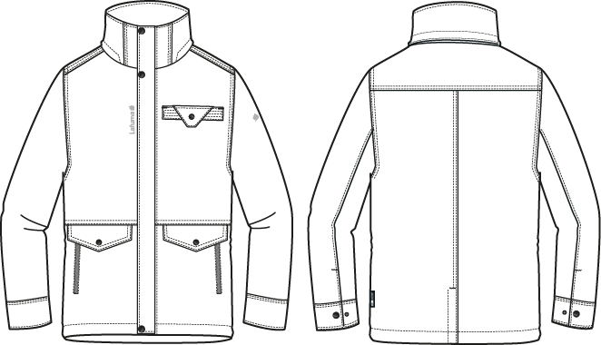

 |  |  | ※機器車棉用量過大，改人工車棉
 |  |  | (全幅無法排兩片身片)

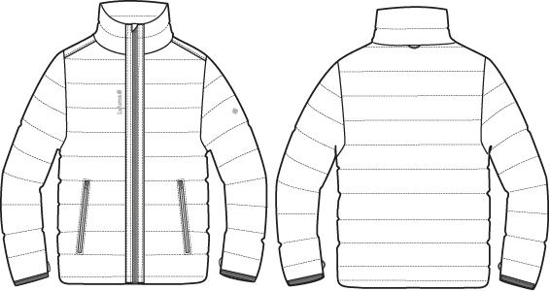

TO Amenda
fm Elsa 12/18/17

COMMENTS
 |  | COUNTER SAMPLE |  |  | WINTER 2018/19
LFV11440 | ROCKLAND 3IN1 LOFT PARKA |  |  |  | INDEX | V1
FABRIC: | PFM0025U87 3L / FLYING TEX |  |  |  | DEVELOPPER |  | MARJORIE
DATE | 2020-01-03 |  |  |  | SUPPLIER : |  | PRIMA CHANNEL

 | Comments on SMS the 07/12/2017
 | HANG TAG
 | Hang tag corporate and climactive must be small HT-394082-E and HT-394146-E |  |  | 吊牌改為用#HT-394082-E (i/o #HT-394081-E)
 | Add Hang tag LOW IMPACT |  |  | 吊牌改為用#HT-394146-E (i/o #HT-394133-E)
 |  |  |  | 增加吊牌LOW IMPACT #HT394299-E

 | MEASURES OUTER JACKET : respect measures in yellow on chart above |  | 外夾克： | 請依照修正的尺寸表
 | Increase armhole height by 0,5cm to have 25cm |  |  | 袖襱高增加0.5CM, 改為25CM
 | Increase front neck drop by 1cm to have 11cm, it will increase neckline lenght |  |  | 前領深增加1CM, 改為11CM。 下領圍須增加為57CM
 | Increase collar lenght at top edge by 2cm to have 57cm, it will increase neckline on hood |  |  | 上領圍增加2CM, 改為57CM。帽的領圍部份須跟著修正

 | OUTER JACKET
 | Move 8cm down waist seam |  |  | 腰剪接向下移8CM
 | Move 4cm down pocket flap + zipper |  |  | 側袋蓋和側袋拉鍊向下移4CM
 | Waist seam must be on top of pocket flap (already comments in Taipei meeting) |  |  | 腰剪接必須在側袋蓋上
 | Add seam tape tone on tone (grey) on full garment (back fabric) |  |  | 整件全封條
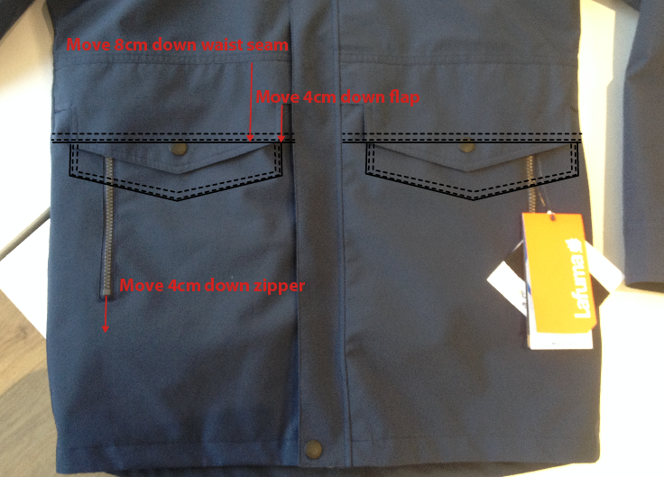
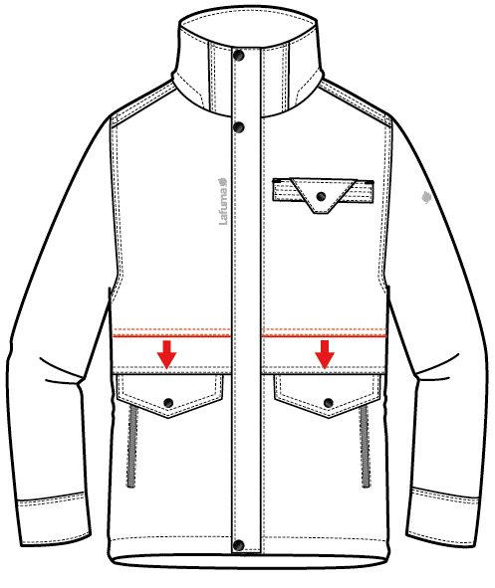

 | Move 1cm down front neck drop |  |  | 前領深向下增加1CM
 | Avoid pleat on front breadth |  |  | 避免前胸片積布
 | Move 3cm down front hood adjustement |  |  | 帽內調節向下移3CM
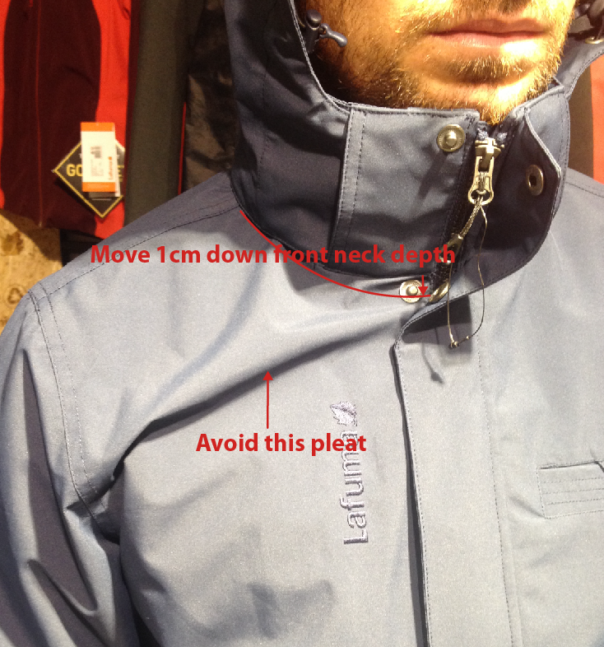

前領深向下增加1CM, 避免前胸片積布

 | MEASURES INNER JACKET : respect measures in yellow on chart above |  | 內夾克： | 請依照修正的尺寸表
 | Increase sleeve lenght by 2cm to have 67cm |  |  | 袖長增加2CM, 改為67CM
 | Increase front neck drop by 1cm to have 8,5cm |  |  | 前領深向下增加1CM, 改為8.5CM
 | Please send comformity sample of OUTER JACKET to France, with all modification |  |  | 請依以上修正後，寄"外夾"的核可樣至法國

DETAILS OUTER JKT 1
 |  | DETAILS OUTER JKT | WINTER 2018/19
LFV11440 | ROCKLAND 3IN1 LOFT PARKA |  | INDEX | V1
FABRIC: | PFM0025U87 3L / FLYING TEX |  | DEVELOPPER |  | MARJORIE
左/右帽前絆各釘兩組12.5mm 彈簧壓釦上半套-面釦隱藏。表布領前蓋片壓臨邊單針。領子釘兩組下半套,可與帽釦合。
DATE | 2020-01-03 |  | SUPPLIER : |  | PRIMA CHANNEL
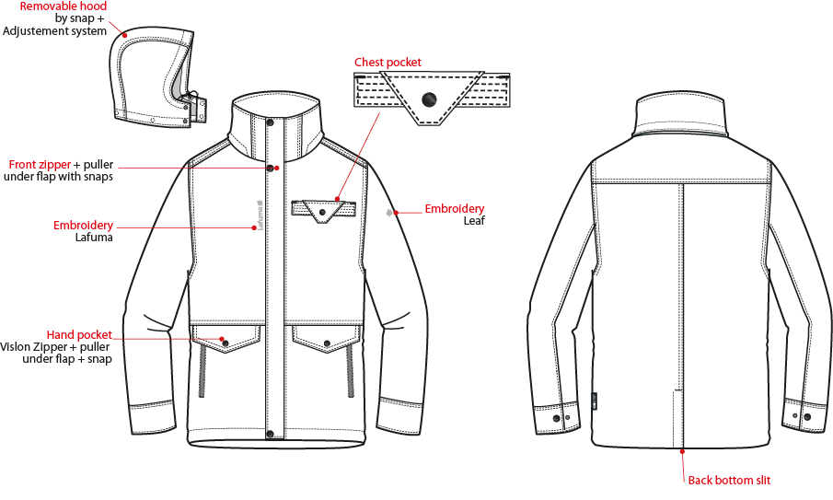
可拆帽作法,帽底釘3組12.5mm平釘面彈簧釦-上半套,面釦要隱藏,可與領布條扣合。
雙層表布胸袋蓋,壓臨邊單針,釘1組17mm Logo彈簧壓釦上半套。雙層表布胸袋唇,壓臨邊單針,中間壓三道裝飾壓線,頂端左右兩側各打一橫結,釘彈簧壓釦下半套。

外領蓋片內釘1組12.5mm平釘面彈簧釦上半套,面釦要隱藏,外領圍夾車布A領布條W:3cm,釘3組12.5mm彈簧釦下半套,可與帽底&外領蓋片扣合.

穿者左側表布擋風片,壓臨邊單針。釘3組Logo彈簧壓釦(上x2/下x1),中間釘三組12.5mm隱藏面彈簧壓釦,門襟車#5塑鋼拉鏈+拉片,壓臨邊線,底端兩側各打一直結。

壓1/4"雙針

繡花2cm,繡花背面需要封條

壓1/4"雙針
繡花7.2cm,繡花背面需要封條

表布側袋蓋,壓1/4"雙針,左右兩側打橫結,袋蓋釘1組17mm Logo彈簧壓釦。

側袋車#5塑鋼拉鍊,向上拉合,壓臨邊線,上/下打橫結。手心面表布袋裏延伸至下襬，手背面MESH布距離下襬4CM, 固定於手心面.

袖口高6cm,壓臨邊單針袖口釘1組17mmLogo彈簧壓釦上半套+2組下半套,間隔4cm。可調節袖口寬。

下襬內貼表布,高1",壓單針。
織標LW050-E
後中開衩,壓臨邊單針,頂端打一橫結。

DETAILS LINING JKT 1
 |  | DETAILS OUTER JKT LINING | WINTER 2018/19
LFV11440 | ROCKLAND 3IN1 LOFT PARKA |  | INDEX | V1
FABRIC: | PFM0025U87 3L / FLYING TEX |  | DEVELOPPER | MARJORIE
DATE | 2020-01-03 |  | SUPPLIER : |  | PRIMA CHANNEL
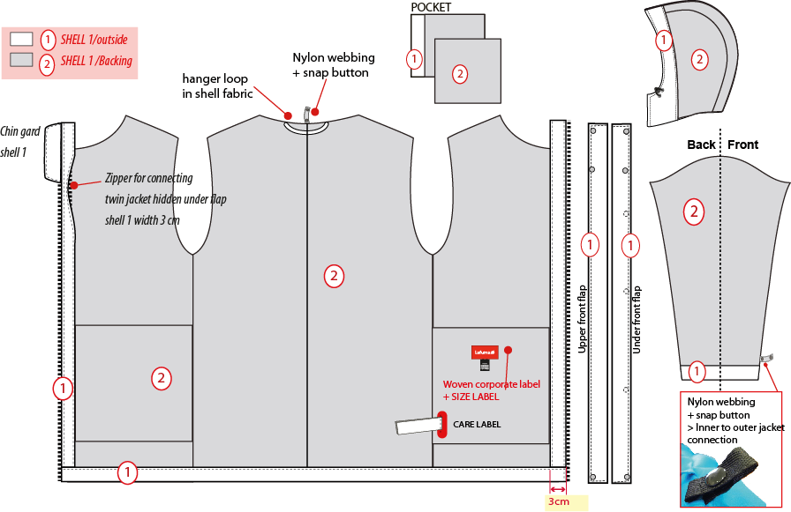
※全封條
帽簷內貼表布,內穿彈繩,由穿者左/右側各兩顆雞眼穿出/入+繩釦+小淚珠+迴紋帶。

表布
表布背面
1cm
6cm
☆後領中有一本布掛耳,
完成尺寸:
6cm
側袋手心面表布 袋袋手背面MESH布 DW187

表布內領掛耳

穿者右側短版表布內擋風片W:3CM,壓臨邊單針。

袖口內貼表布H:6CM。袖口以上7cm車迴紋帶釦絆。
主標+尺寸標車於穿者左袋裡背面

☆內後領圍中心x1和袖口內x2,需夾車迴紋帶(W:1/2" 內後領中心L:6cm /袖口L:5cm)+1組10mm四合釦,可與內夾克扣合用,迴紋帶要對折壓臨邊線.

表布下襬內貼高1",壓單針
表布內門襟拉鍊蓋片寬3cm,內車#5塑鋼拉鍊,可與內夾克拉合。

DETAILS LOFT JKT 2
 |  | DETAILS LOFT JKT | WINTER 2018/19
LFV11440 | ROCKLAND 3IN1 LOFT PARKA |  | INDEX | V1
FABRIC: | PFM0025U87 3L / FLYING TEX |  | DEVELOPPER |  | MARJORIE
DATE | 2020-01-03 |  | SUPPLIER : |  | #REF!
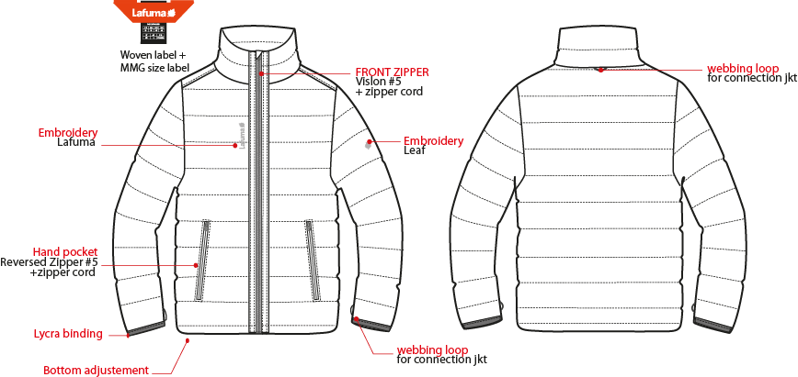
大身車棉：SK2 120G 袖&領車棉：SK2 80G
內後領圍夾車主標和尺寸標

門襟車#5塑鋼拉鍊,壓臨邊單針,兩側底端打直結。
外後領中心夾車織帶掛耳。

繡花7.2cm
繡花2cm

側袋車#5尼龍反拉拉鍊,壓臨邊單針,上下打結加強,表布袋裏。

袖口用對折帶包邊,壓單針。

袖口以上4cm車織帶掛耳。

下襬內貼表布

CONNECTION DETAILS
 |  | CONNEXION DETAILS | WINTER 2018/19
LFV11440 | ROCKLAND 3IN1 LOFT PARKA |  | INDEX | V1
FABRIC: | PFM0025U87 3L / FLYING TEX |  | DEVELOPPER |  | MARJORIE
DATE | 2020-01-03 |  | SUPPLIER : |  | PRIMA CHANNEL

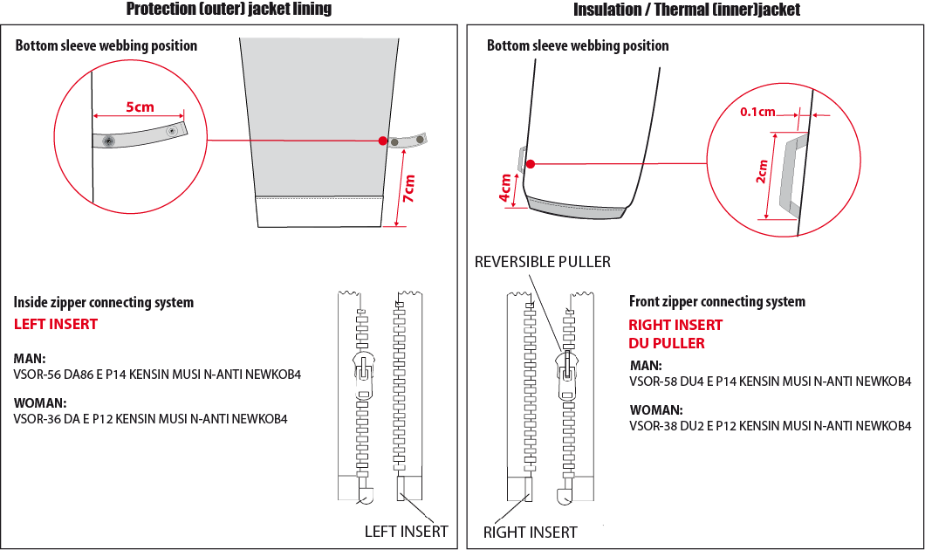

袖口以上7cm車迴紋帶釦絆(L:5cm)。
袖口以上4cm車織帶掛耳。

男款內門襟拉鍊:#5塑鋼拉鍊,左插右拉
男款內夾門襟拉鍊:#5塑鋼拉鍊,右插左拉

COLOR SKETCH
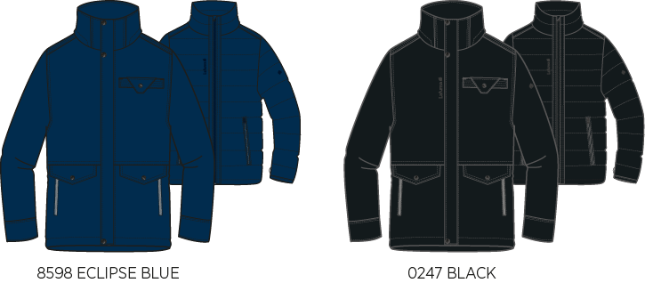
 |  | COLOR SKETCH | WINTER 2018/19
LFV11440 | ROCKLAND 3IN1 LOFT PARKA |  | INDEX | V1
FABRIC: | PFM0025U87 3L / FLYING TEX |  | DEVELOPPER |  | MARJORIE
DATE | 2020-01-03 |  | SUPPLIER : |  | PRIMA CHANNEL

COLOR COMBINATION
 |  | COLOR COMBINATION |  |  |  |  |  |  | WINTER 2018/19
LFV11440 | ROCKLAND 3IN1 LOFT PARKA |  |  |  |  |  |  |  | INDEX | V1
FABRIC: | PFM0025U87 3L / FLYING TEX |  |  |  |  |  |  |  | DEVELOPPER |  |  | MARJORIE
DATE | 2020-01-03 |  |  |  |  |  |  |  | SUPPLIER : |  |  | PRIMA CHANNEL
FABRIC OUTER JKT |  |  |  | SUPPLIER | DESIGNATION |  | ECLIPSE BLUE 8598 | BLACK 0247
SHELL 1 PFM0025U87 3L |  |  |  | FLYINGTEX | FULL GARMENT |  | SAPHIR | NOIR
FULL SEAM TAPE |  |  |  | LOCAL | FULL SEAM TAPE |  | TON/TON - GREY | TON/TON - GREY
NON WOVEN |  |  |  | LOCAL | FLAPS + EMBROIDERIES BACKSIDE |  | BLACK | BLACK
FABRIC INNER JKT |  |  |  | SUPPLIER | DESIGNATION |  | ECLIPSE BLUE 8598 | BLACK 0247
SHELL 2 PR20 NYLON FD |  |  |  | LOCAL | INNER JACKET / LINING |  | INSIGNA BLUE | BLACK
INSULATION SK2 QUALITY 120Gr |  |  |  | LOCAL | BODY |  | 120Gr | 120Gr
INSULATION SK2 QUALITY 80Gr |  |  |  | LOCAL | SLEEVES + COLLAR |  | 80Gr | 80Gr
TRIMMING AND ACCESSORIES OUTER JKT
 | DESCRIPTION |  | REF | SUPPLIER | DESIGNATION | QTY | ECLIPSE BLUE 8598 | BLACK 0247 | S | M | L | XL | XXL | XXXL
Zipper DELRIN # 5 1WAY - separable - autolock SD51MA.RT |  |  |  | MAX zipper | Front zip | 1 | ECLIPSE BLUE TAPE : 960 TEETH : DARK NICKEL | BLACK TAPE : 580 TEETH : DARK NICKEL
Zipper DELRIN # 5 1WAY - non separable - NON LOCK |  |  |  | MAX zipper | 2x Pocket zipper | 2 | ECLIPSE BLUE TAPE : 960 TEETH : DARK NICKEL | BLACK TAPE : 580 TEETH : DARK NICKEL
Zipper VISLON #5 (left insert) 1WAY - separable - autolock - VSOR-56 DA86 E P14 KENSIN MUSI N-ANTI NEWKOB4 |  |  |  | YKK | 1x Jacket connection | 1 | ECLIPSE BLUE 960 | BLACK 580
cord puller |  |  | ZP072-E | DRAGON TIMES | 1x Front zipper | 1 | NOIR | NOIR
17mm FLAT METAL SNAP (male & female parts) |  |  | BS053-E Short tube | UNITEX ref# 113-35205-C04426 | 3x Front flap (1x bottom + 2x top) 2x Cuff tab 2x bottom pocket 1x chest pocket flap | 8 | BLACK S9998 | BLACK S9998
12mm FLAT METAL SNAP - INVISIBLE (female & male part) |  |  |  | LOCAL | 7x removable hood connect to collar tab 3x front flap | 10 | ANTIC SILVER | ANTIC SILVER
12mm FLAT METAL SNAP (female part) |  |  |  | LOCAL | 1x Back collar flap (middle) | 1 | ANTIC SILVER | ANTIC SILVER
17mm FLAT METAL SNAP (male part) |  |  |  | LOCAL | 2x Bottom sleeve | 2 | ANTIC SILVER | ANTIC SILVER
2,5mm ELASTIC CORD |  |  |  | LOCAL | 1x Front hood adjustment | 1 | BLACK | BLACK
PLASTIC CORD STOPPER 20MM |  |  | EIS15U-XMSTP01 | UNITEX | 2x Front hood adjustment | 2 | SAPHIR | NOIR
PLASTIC PEARL |  |  | CP-A1 | UNITEX | 2x Front hood adjustment | 2 | SAPHIR | NOIR
10mm METAL EYELET |  |  |  | LOCAL | 4x Front hood adjustment | 4 | ANTIC SILVER | ANTIC SILVER
5mm POLYESTER WEBBING |  |  | EIS15U-XMTRE01 | YF ZIPPER | 2x bottom adjustement 2x front hood adjustement to hold stopper and cord | 3 | SAPHIR | NOIR
12mm NYLON WEBBING |  |  |  | LOCAL | 1x back neckline (jkt connection) 2x 7cm from bottom sleeve ( jkt connection) | 3 | BLACK | BLACK
8mm PLASTIC SNAP |  |  |  | LOCAL | 1x back neckline (jkt connection) 2x 7cm from bottom sleeve ( jkt connection) | 3 | BLACK | BLACK
TRIMMING AND ACCESSORIES INNER JKT
 | DESCRIPTION |  | REF | SUPPLIER | DESIGNATION | QTY | ECLIPSE BLUE 8598 | BLACK 0247 | S | M | L | XL | XXL | XXXL
Zipper VISLON #5 (right insert) 1 way-separable-autolock - REVERSIBLE - DU puller VSOR-58 DU4 E P14 KENSIN MUSI N-ANTI NEWKOB4 |  |  |  | YKK | Front zip | 1 | ECLIPSE BLUE 960 | BLACK 580
ZIPPER NYLON INVERTED #5 1 WAY - NON SEPARABLE - NON-LOCK |  |  |  | MAX zipper | 2x Pocket Zipper | 2 | ECLIPSE BLUE 960 | BLACK 580
LYCRA BINDING 10mm folded |  |  | EB011-E | WILSON GROUP | Bottom sleeve | 2 | SAPHIR | NOIR
WEBBING 5MM |  |  | EIS15U-XMTRE01 | YF ZIPPER | 1x back neckline (jkt connection) 2x 4cm from bottom sleeve ( jkt connection) | 3 | SAPHIR | NOIR
MARKING OUTER JKT
EMBROIDERY LAFUMA 72mm |  |  |  | LOCAL / MING SHYANG | Right top front OUTER JACKET | 1 | ECLIPSE BLUE 30055 | BLACK
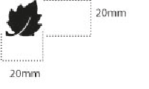 EMBROIDERY LEAF 20mm |  |  |  | LOCAL / MING SHYANG | Left Top sleeve OUTER JACKET | 1 | ECLIPSE BLUE 30055 | BLACK
MARKING INNER JKT
EMBROIDERY LAFUMA 72mm |  |  |  | LOCAL / MING SHYANG | Right top front / INNER JKT | 1 | ECLIPSE BLUE 30055 | BLACK
 Embroidery LEAF 20mm |  |  |  | LOCAL / MING SHYANG | Center on top back / INNER JKT | 1 | ECLIPSE BLUE 30055 | BLACK
LABELS OUTER JKT
 CLIMACTIVE LABELS |  |  | LW050-E | TRIPLE STAR | left side seam | 1 | STANDARD
 MAIN LABELS |  |  | LW033-E | SML | Neckline / centered | 1 | STANDARD
SIZE WOVEN LABEL MMG MEN ALPHA/TOP |  |  | LWS18-01 | SML | Neckline / centered | 1 | STANDARD
 Care Label & P.O. Label |  |  | LC011-E | SML | left side seam | 1 | WHITE SATIN
LABELS INNER JKT
 MAIN LABEL |  |  | LW034-E | SML | Neckline / centered | 1 | STANDARD
SIZE WOVEN LABEL MMG MEN ALPHA/TOP |  |  | LWS18-01 | SML | Neckline / centered | 1 | STANDARD
Care Label & P.O. Label |  |  | LC011-E | SML | left side seam | 1 | STANDARD
HANG TAG
 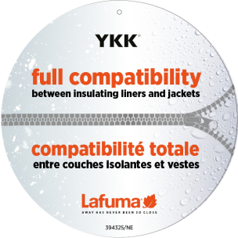 HANG TAG MIX & MATCH |  |  | HT394325/NE | TRIPLE STAR | FRONT ZIPPER | 1 | STANDARD
 HANG TAG LOW IMPACT |  |  | HT394299-E | TRIPLE STAR |  | 1 | STANDARD
HANGTAG LAFUMA CORPORATE |  |  | HT-394082-E | TRIPLE STAR | LEFT SIDE POCKET | 1 | STANDARD
 HANG TAG CLIMACTIVE |  |  | SMALL HT394146-E | TRIPLE STAR | INSERT ON CORPORATE HT | 1 | STANDARD
HANG TAG PFC FREE |  |  | HT394145-E | TRIPLE STAR |  | 1 | STANDARD
 GENCODE STICKER |  |  |  | LOCAL |  | 2 | STANDARD
 POLYBAG |  |  |  | LOCAL |  | 1 | STANDARD
 |  |  |  | LOCAL |  | 1 | STANDARD

MARKING
 |  | MARKING |  |  | WINTER 2018/19
LFV11440 | ROCKLAND 3IN1 LOFT PARKA |  |  |  | INDEX | V1
FABRIC: | PFM0025U87 3L / FLYING TEX |  |  |  | DEVELOPPER |  | MARJORIE
DATE | 2020-01-03 |  |  |  | SUPPLIER : |  | PRIMA CHANNEL
MARKING OUTER JKT 外夾克
DESIGNATION |  |  |  | POSITION
LAFUMA+楓葉繡花7.2cm
穿者右前胸領圍下8cm
距外擋風片1.5cm
EMBROIDERY LAFUMA 72mm |  |  | RIGHT TOP POCKET * VERTICAL POSITION : 8 cm from front neckline * ALONG SIDE POCKET: 1,5 cm from bottom pocket
楓葉繡花2cm
穿者左袖肩點下8cm
 EMBROIDERY LEAF 20mm |  |  | 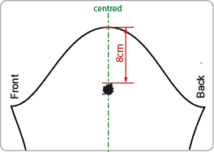 LEFT TOP SLEEVE * CENTRED: 8cm from top sleeve
穿者左後脇邊下襬上12cm。
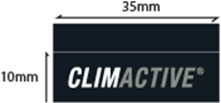 Label CLIMACTIVE |  |  | INSERT ON LEFT SIDE * VERTICAL POSITION : 12cm from bottom
MARKING INNER JKT 內夾克
LAFUMA+楓葉繡花7.2cm
穿者右前胸領圍下8cm
距門襟拉鍊1.5cm
EMBROIDERY LAFUMA 72mm |  |  | RIGHT TOP FRONT * VERTICAL POSITION : 8cm from neckline (avoid to stitch on embroidery) * ALONG FRONTZIPPER : 1 ,5 cm from front zipper
楓葉繡花2cm
穿者左袖肩點下8cm
EMBROIDERY LEAF 20mm |  |  |  LEFT TOP SLEEVE * CENTRED: 8cm from top sleeve

JACKET SKETCH MEASUREMENTS
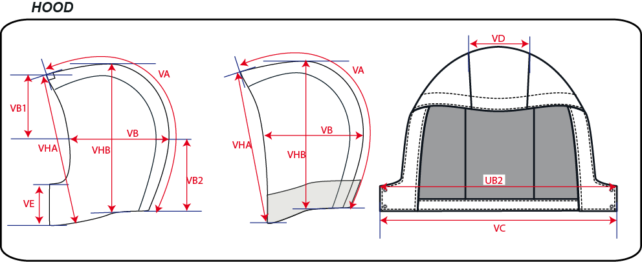
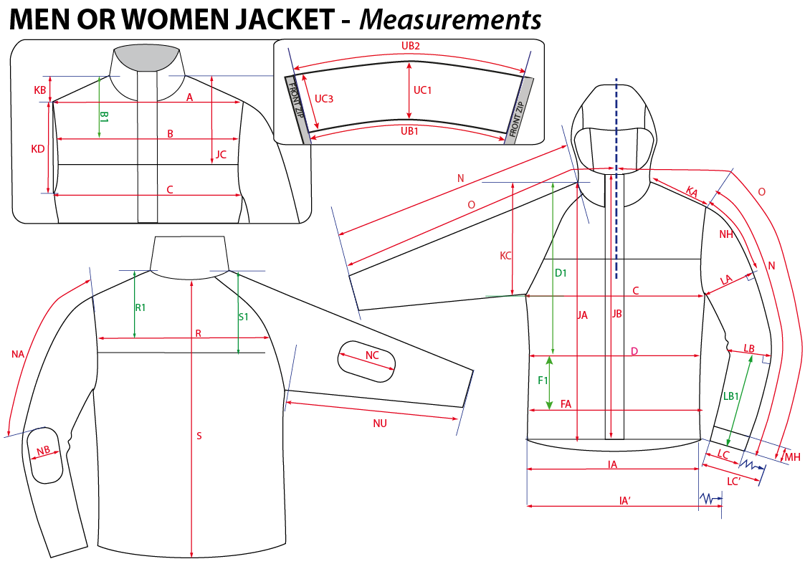
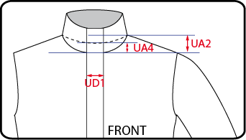
 |  | HOW TO TAKE MEASUREMENTS | WINTER 2018/19
LFV11440 | ROCKLAND 3IN1 LOFT PARKA |  |  | INDEX | V1
FABRIC: | PFM0025U87 3L / FLYING TEX |  | DEVELOPPER |  | MARJORIE
DATE | 2020-01-03 |  | SUPPLIER : |  | PRIMA CHANNEL

HANG TAGS
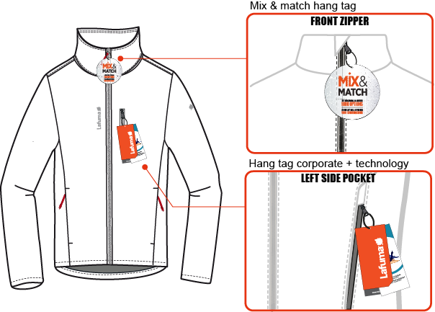
 |  | HOW TO ATTACH HANG TAGS | WINTER 2018/19
LFV11440 | ROCKLAND 3IN1 LOFT PARKA |  |  | INDEX | V1
FABRIC: | PFM0025U87 3L / FLYING TEX |  | DEVELOPPER |  | MARJORIE
DATE | 2020-01-03 |  | SUPPLIER :

